BUGS
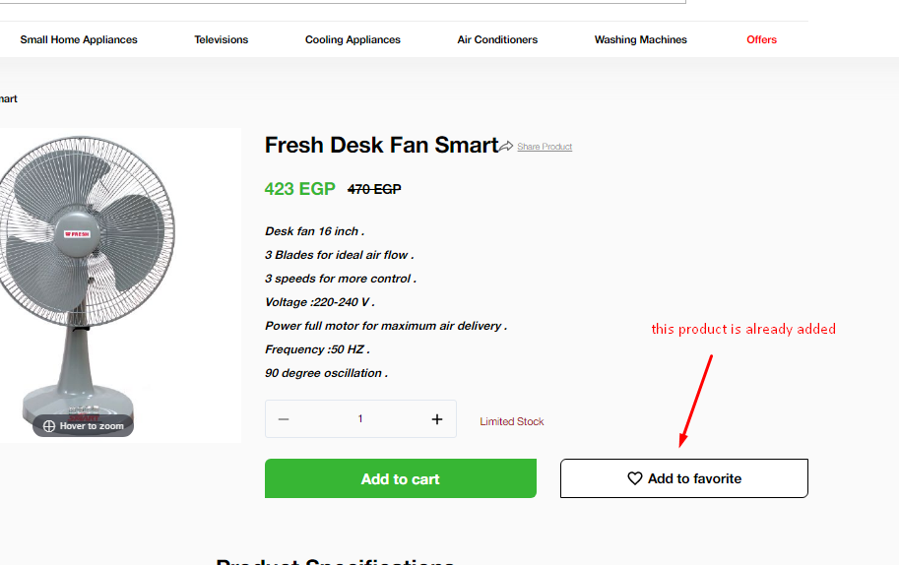
ID | BUG001
Title | Search || When User search for keyword [Built], total no. of results isn't equal total no. of results in categories filters
Severity | High
Status | New
Steps | 1. Login
 | 2. Search on word "Built"
Actual | Total no. of results equal 23 and total no. in catgory filters is > 23
Expected | Total no. of results in catgory filters should = 23
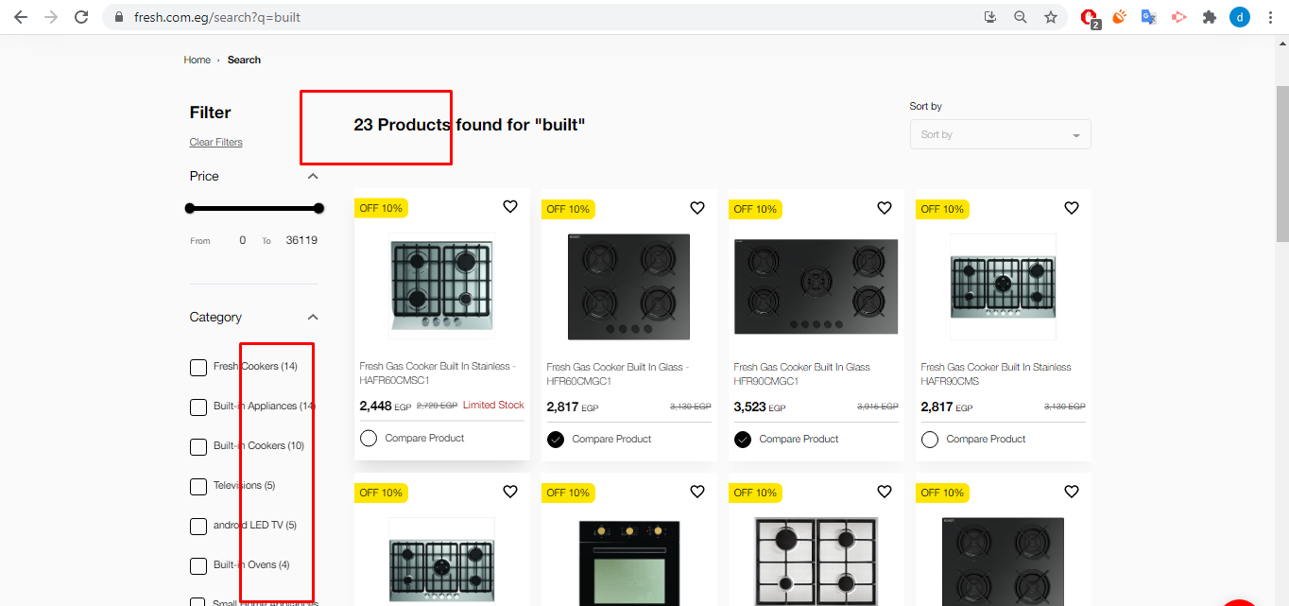

ID | BUG002
Title | Login || when user login then logout then refreash the page , the session shoudn't be kept
Severity | High
Status | New
Steps | 1 login
 | 2. logout
 | 3. Refresh the page
Actual | user info still displayed
Expected | session shoudn't be kept

ID | BUG003
Title | My Profile || User address || Add/EditAddress || Field's value "Extra Phone" isn't saved in database
Severity | High
Status | New
Steps | 1 Login
 | 2 Open page .. https://fresh.com.eg/profile/addresses
 | 3 Add new address and insert all mandatory fields then save
 | 4 edit the address
Actual | Field "Extra phone" value is reset
Expected | Field "Extra phone" value should be saved

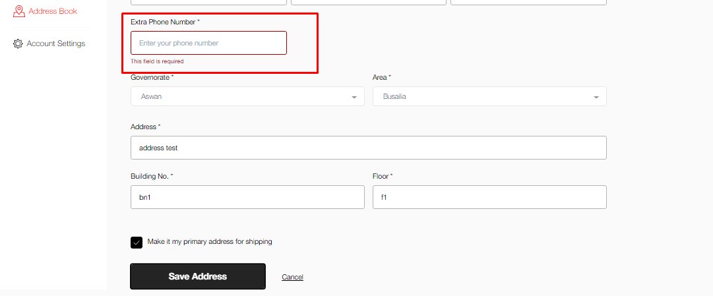

ID | BUG004
Title | Login With facebook credential is failed
Severity | Medium
Status | New
Steps | Open url "https://fresh.com.eg/login"
 | login by face book

Actual | faild to login with facebook
Expected | When i Click To Login With Face Book , I Expected To Redirect in Home Page

ID | BUG005
Title | User Can't reset his password due to invalid link
Severity | high
Status | new
Steps | Open URL "https://fresh.com.eg/login"
 | Click On Reset pasword
 | open email and try to change password

Actual | When i open email and change password ,i cant reset password because link not reach
Expected | When i open email and change password , i can open link and change password

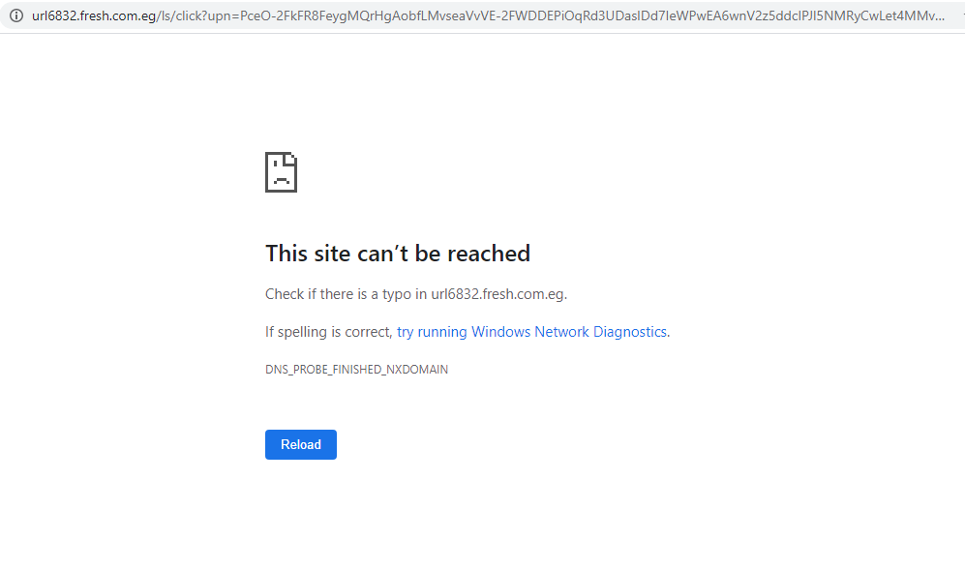

ID | BUG005
Title | Error message appears when user Click on button Proceed and Pay
Severity | High
Status | new
Steps | Can't be reproduced
 | 1. login
 | 2. add several products on th cart then click on "Proceed and Pay"
Actual | error in image below is appeared
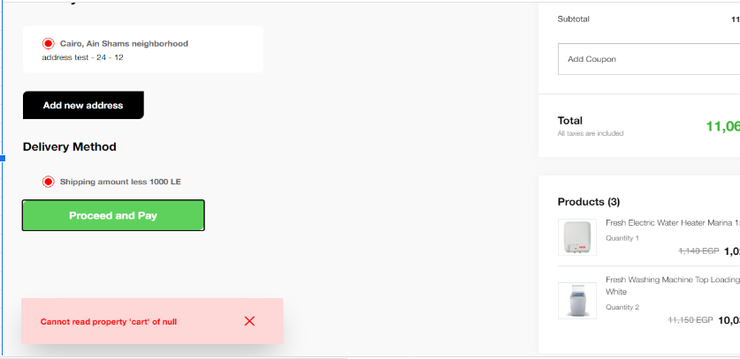
Expected

ID | BUG006
Title | UI - Wish List || when user click on any product to add to wish list then refresh , the wishlist icon shoudn't be reset
Severity | Meduim
Status | new
Steps | open product category
 | select any product and add to wichlist
 | do refresh

Actual | wich list mark is removed
Expected | when i do refresh , wich lish should be found
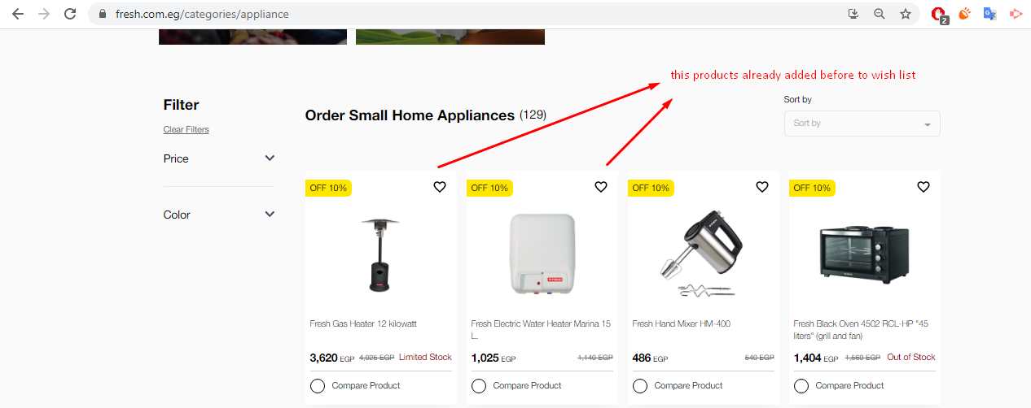

ID | BUG007
Title | Product details || when user click on "add to favorite"
Severity | Meduim
Status | new
Steps | 1. login
 | 2. open url https://fresh.com.eg/products/fresh-desk-fan-smart
 | 3. click on "add to favorite"
 | 4. refresh
Actual :- | the product isn't added to favorite list

